GL OFFER
 |  |  |  |  |  |  |  |  |  |  |  |  |  |  |  |  |  |  |  |  |  |  |  | 3012 |  | € 225,900.00 |  | € 451,800.00
PIC | Brand | Season | Gender | Name | SKU | 5 | 5.5 | 6 | 6.5 | 7 | 7.5 | 8 | 8.5 | 9 | 9.5 | 10 | 10.5 | 11 | 11.5 | 12 | 12.5 | 13 | 14 | QTY | WHS | Total WHS | RRP | Total RRP
 | Brooks | SS 2025 | Mens | Ghost 16 | 1104181D002 | 0 | 0 | 0 | 0 | 2 | 5 | 21 | 37 | 53 | 71 | 74 | 58 | 62 | 41 | 42 | 10 | 17 | 0 | 493 | € 75.00 | € 36,975.00 | € 150.00 | € 73,950.00
 | Brooks | SS 2025 | Mens | Ghost 16 | 1104181D020 | 0 | 0 | 0 | 0 | 0 | 2 | 13 | 25 | 42 | 48 | 52 | 43 | 43 | 27 | 26 | 10 | 3 | 0 | 334 | € 75.00 | € 25,050.00 | € 150.00 | € 50,100.00
 | Brooks | SS 2025 | Mens | Ghost 16 | 1104181D049 | 0 | 0 | 0 | 0 | 0 | 2 | 3 | 0 | 35 | 11 | 45 | 63 | 60 | 48 | 41 | 16 | 9 | 0 | 333 | € 75.00 | € 24,975.00 | € 150.00 | € 49,950.00
 | Brooks | SS 2025 | Mens | Ghost 16 | 1104181D130 | 0 | 0 | 0 | 0 | 2 | 3 | 10 | 13 | 51 | 61 | 76 | 65 | 62 | 51 | 42 | 24 | 20 | 5 | 485 | € 75.00 | € 36,375.00 | € 150.00 | € 72,750.00
 | Brooks | SS 2025 | Womens | Ghost 16 | 1204071B020 | 0 | 2 | 7 | 19 | 39 | 47 | 58 | 57 | 42 | 40 | 19 | 4 | 0 | 0 | 0 | 0 | 0 | 0 | 334 | € 75.00 | € 25,050.00 | € 150.00 | € 50,100.00
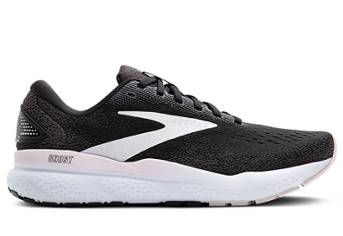 | Brooks | SS 2025 | Womens | Ghost 16 | 1204071B077 | 0 | 2 | 10 | 19 | 48 | 77 | 77 | 74 | 34 | 24 | 1 | 0 | 0 | 0 | 0 | 0 | 0 | 0 | 366 | € 75.00 | € 27,450.00 | € 150.00 | € 54,900.00
 | Brooks | SS 2025 | Womens | Ghost 16 | 1204071B152 | 0 | 0 | 4 | 0 | 25 | 24 | 23 | 36 | 31 | 18 | 5 | 1 | 0 | 0 | 0 | 0 | 0 | 0 | 167 | € 75.00 | € 12,525.00 | € 150.00 | € 25,050.00
 | Brooks | SS 2025 | Womens | Ghost 16 | 1204071B471 | 0 | 0 | 8 | 27 | 59 | 60 | 88 | 80 | 68 | 57 | 38 | 12 | 3 | 0 | 0 | 0 | 0 | 0 | 500 | € 75.00 | € 37,500.00 | € 150.00 | € 75,000.00

